Data
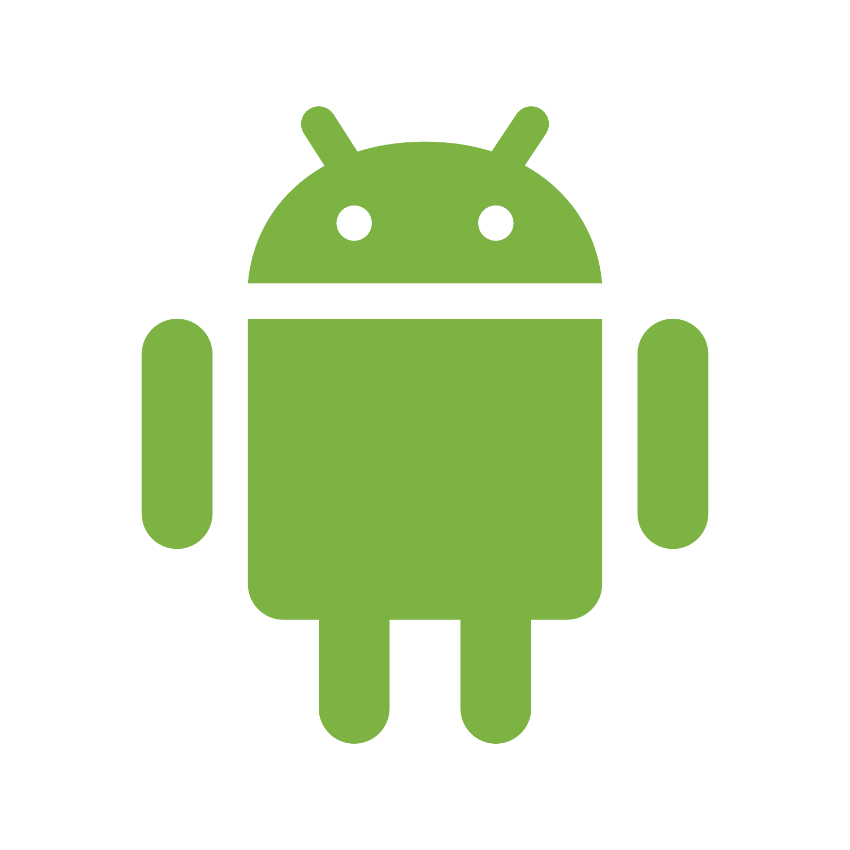
15%
Global smartphone usage by operating system
Android | 84%
iOS | 15%
There are over 2 billion smartphones in the world. Of these over 84% run on the Android operating system, 15% on Apple's iOS, while 1% operate using Windows, Blackberry or other type of operating system.
Other | 1%

1%

84%

